1. Title Page
Instacart Basket Analysis

Project Name: Instacart Basket Analysis
Date: April 10, 2023
Analyst Name: Yash Yadav

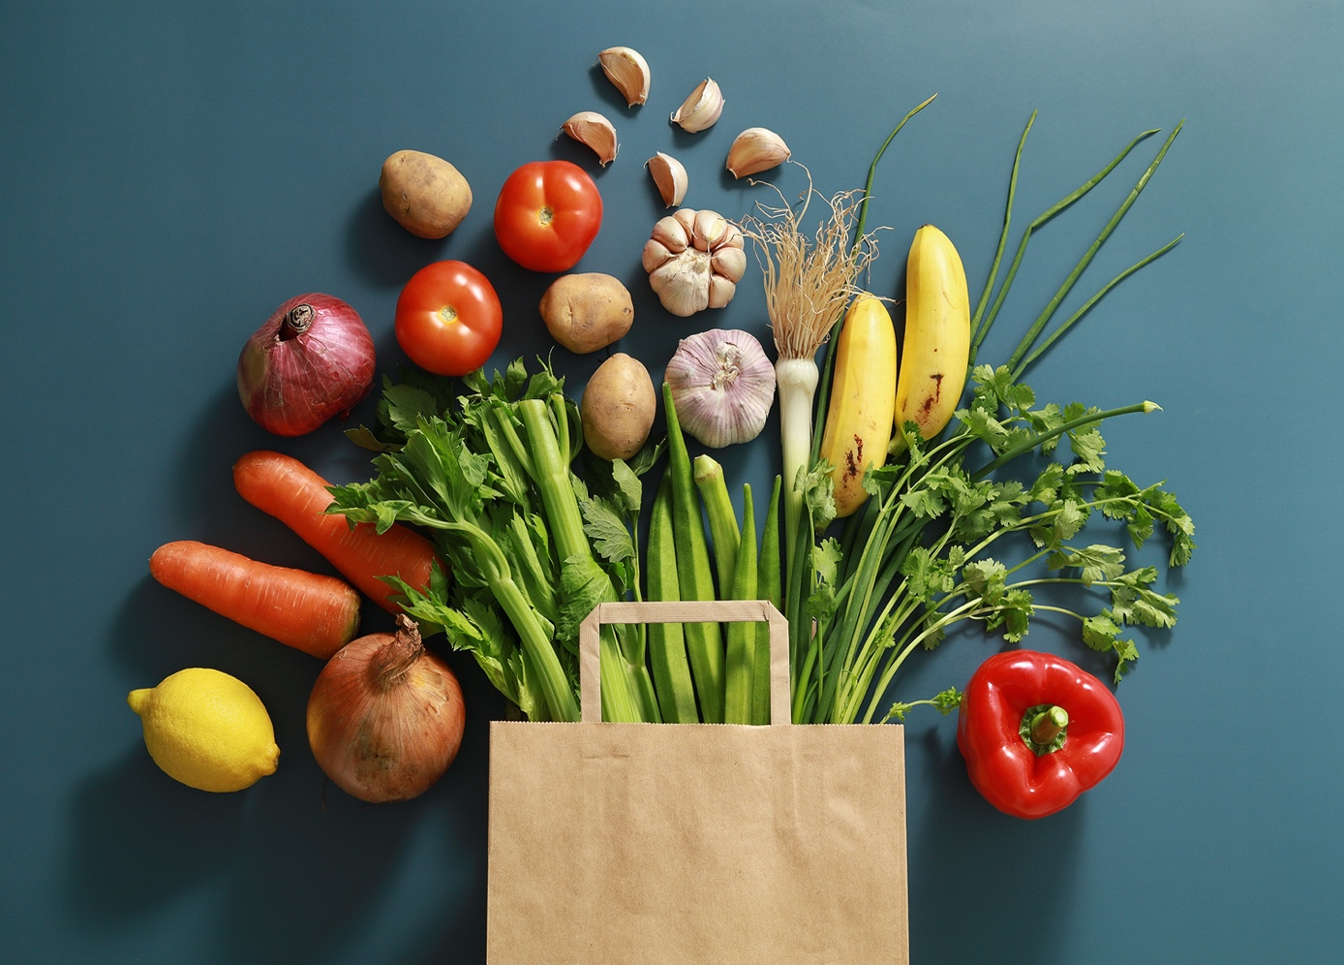

Contents:
Population Flow
Consistency checks
Wrangling steps
Column derivations
Visualizations
Recommendations

Data Citations
“The Instacart Online Grocery Shopping Dataset 2017”, Accessed from https://www.instacart.com/datasets/grocery-shopping-2017 on 03/06/2023
The customer data set was created and included for the purpose of this project.

2. Population Flow
Population flow

orders_products_combined
orders_products_merged
orders_products_all

Total: 32,434,489
Total: 32, 404,859
Total: 32,404,859

Exclusion flag
Condition: max_order < 5
Obervations to be removed: 1,440,295
Final total count of orders_products_all: 30,964,564

Return to Title Page

3. Consistency checks
Consistency checks

Dataset | Missing values | Missing values treatment | Duplicates
orders | days_since_prior_order (206,209) | Do nothing as these indicate first orders | N/A
products | product name (16) | Removed these rows | 5 rows removed
orders_products_combined | days_since_prior_order (2,076,096) | Do nothing as these indicate first orders
customers | N/A |  | N/A

 |  | Return to Title Page

*crosstab of days_since_prior_order and order number
days_since_prior_order | 1 | 2 | 3 | 4 | 5 | 6 | 7 | 8 | 9 | 10 | 11 | 12 | 13 | 14 | 15 | 16 | 17 | 18 | 19 | 20 | 21 | 22 | 23 | 24 | 25 | 26 | 27 | 28 | 29 | 30 | 31 | 32 | 33 | 34 | 35 | 36 | 37 | 38 | 39 | 40 | 41 | 42 | 43 | 44 | 45 | 46 | 47 | 48 | 49 | 50 | 51 | 52 | 53 | 54 | 55 | 56 | 57 | 58 | 59 | 60 | 61 | 62 | 63 | 64 | 65 | 66 | 67 | 68 | 69 | 70 | 71 | 72 | 73 | 74 | 75 | 76 | 77 | 78 | 79 | 80 | 81 | 82 | 83 | 84 | 85 | 86 | 87 | 88 | 89 | 90 | 91 | 92 | 93 | 94 | 95 | 96 | 97 | 98
0 | 0 | 20536 | 20441 | 17984 | 16438 | 16046 | 14384 | 13890 | 12774 | 11460 | 11784 | 9828 | 9438 | 8960 | 8435 | 8130 | 7848 | 7749 | 7038 | 6902 | 7084 | 6424 | 6170 | 6103 | 6032 | 5541 | 6049 | 5569 | 5201 | 5685 | 4811 | 5133 | 4630 | 4535 | 4552 | 4384 | 4314 | 4093 | 3864 | 4029 | 4056 | 3825 | 3677 | 3670 | 3226 | 3519 | 3326 | 2720 | 3164 | 2634 | 2482 | 2928 | 2624 | 2522 | 2379 | 2483 | 2375 | 2221 | 2354 | 2196 | 2069 | 2247 | 1856 | 2031 | 1585 | 2127 | 1939 | 1871 | 1560 | 1672 | 1700 | 1573 | 1731 | 1555 | 1341 | 1537 | 1526 | 1422 | 1369 | 1184 | 1306 | 1196 | 1150 | 1490 | 1343 | 1358 | 1139 | 1177 | 1177 | 1195 | 1148 | 1040 | 937 | 1134 | 1099 | 1041 | 883 | 1037
1 | 0 | 31674 | 29950 | 28010 | 27092 | 25533 | 24996 | 22921 | 21783 | 21067 | 21260 | 19516 | 19108 | 18279 | 18544 | 18133 | 16765 | 15977 | 15509 | 15128 | 15183 | 13855 | 13619 | 13230 | 12861 | 13006 | 12938 | 11962 | 12525 | 12084 | 11751 | 11581 | 10867 | 10395 | 9694 | 9688 | 9760 | 9506 | 9562 | 9456 | 8645 | 8873 | 8713 | 8576 | 8441 | 8323 | 8482 | 8199 | 7711 | 7147 | 7715 | 6976 | 6525 | 7033 | 7112 | 6250 | 6438 | 6265 | 5896 | 5851 | 5598 | 5947 | 4935 | 5725 | 4852 | 4950 | 5263 | 4675 | 4568 | 4692 | 4123 | 4405 | 4222 | 4229 | 4013 | 3918 | 4106 | 3996 | 3596 | 4132 | 3518 | 3149 | 3458 | 3289 | 3245 | 3108 | 2970 | 2693 | 3027 | 2787 | 2801 | 2728 | 2605 | 2606 | 2639 | 2436 | 2535 | 2633
2 | 0 | 46454 | 46264 | 43902 | 40729 | 40907 | 38101 | 37519 | 35745 | 33830 | 33364 | 31473 | 30602 | 30259 | 28626 | 27574 | 26687 | 26236 | 25612 | 23717 | 23529 | 23979 | 23049 | 22337 | 21831 | 21598 | 20651 | 19776 | 18953 | 19240 | 18736 | 18331 | 17108 | 17534 | 16381 | 16021 | 16448 | 16095 | 15569 | 14664 | 14450 | 14344 | 13397 | 12920 | 12940 | 12895 | 12061 | 13443 | 12348 | 11730 | 11714 | 10607 | 10573 | 10813 | 10214 | 9494 | 9709 | 9349 | 8823 | 8733 | 8963 | 8179 | 8185 | 7712 | 7416 | 7756 | 7338 | 7041 | 7148 | 6623 | 6737 | 6386 | 6289 | 5951 | 5709 | 5629 | 5221 | 5058 | 5071 | 4704 | 4924 | 4388 | 4801 | 4658 | 3946 | 3937 | 4074 | 4204 | 3474 | 3623 | 3555 | 3314 | 3589 | 3319 | 3072 | 2985 | 3057 | 3091
3 | 0 | 61637 | 63388 | 59996 | 57882 | 56183 | 52869 | 49291 | 48295 | 47826 | 45028 | 42994 | 42117 | 40701 | 38433 | 37943 | 35934 | 34663 | 34387 | 32645 | 32395 | 31478 | 30683 | 29434 | 29001 | 28254 | 26465 | 27083 | 25750 | 23421 | 23592 | 24477 | 23818 | 22226 | 21865 | 21329 | 20609 | 20805 | 19501 | 20909 | 18544 | 17952 | 17429 | 16905 | 16367 | 16424 | 15506 | 15539 | 14239 | 14977 | 13646 | 13555 | 12915 | 12216 | 11583 | 11839 | 11204 | 10572 | 10601 | 9899 | 10058 | 9837 | 9019 | 9232 | 8346 | 7929 | 7890 | 7420 | 7948 | 7222 | 6659 | 6834 | 6267 | 6273 | 6433 | 6070 | 5437 | 5168 | 5425 | 4885 | 5008 | 4557 | 4436 | 3799 | 4246 | 4005 | 3915 | 3359 | 3573 | 3318 | 3237 | 2799 | 3073 | 2902 | 2635 | 2658 | 2462 | 2168
4 | 0 | 76733 | 78861 | 73540 | 70519 | 66569 | 62399 | 61143 | 59499 | 57700 | 54730 | 51935 | 48774 | 46896 | 45838 | 44241 | 42119 | 41276 | 39404 | 37328 | 36517 | 36475 | 35903 | 33132 | 34157 | 31341 | 31036 | 30094 | 28532 | 27017 | 26954 | 26013 | 24438 | 24654 | 23964 | 23047 | 22939 | 21584 | 20794 | 19015 | 19390 | 19327 | 18766 | 18719 | 18091 | 16584 | 16188 | 15564 | 15003 | 14202 | 13801 | 13032 | 12912 | 12019 | 11650 | 11928 | 11599 | 10291 | 9864 | 9640 | 9029 | 8717 | 8571 | 7755 | 8195 | 7316 | 6613 | 6331 | 6114 | 6468 | 6385 | 5590 | 5320 | 4985 | 5209 | 4348 | 4795 | 4442 | 4184 | 4229 | 3868 | 3985 | 3444 | 3224 | 2843 | 2862 | 2584 | 2711 | 2630 | 2342 | 2260 | 2490 | 2031 | 1800 | 2083 | 1918 | 1792 | 1695
5 | 0 | 88999 | 91741 | 86503 | 81859 | 77583 | 73584 | 70020 | 64468 | 63154 | 59454 | 55546 | 53534 | 52955 | 49271 | 46960 | 47010 | 44879 | 42069 | 40778 | 40189 | 37707 | 35499 | 36144 | 34793 | 32270 | 31855 | 29641 | 29403 | 29377 | 27823 | 26071 | 25951 | 24194 | 23069 | 22117 | 21232 | 20018 | 19594 | 20514 | 18734 | 17596 | 16948 | 15597 | 15486 | 14351 | 14082 | 13320 | 13483 | 11456 | 12043 | 11739 | 10810 | 10348 | 10181 | 9077 | 8716 | 8578 | 7678 | 7878 | 6733 | 6396 | 6566 | 5757 | 5378 | 5299 | 4611 | 5508 | 5065 | 4396 | 4117 | 4276 | 3544 | 3440 | 3246 | 3197 | 2487 | 2725 | 2746 | 2816 | 2289 | 2303 | 2138 | 2099 | 2372 | 2002 | 1946 | 1566 | 1462 | 1630 | 1630 | 1367 | 983 | 1215 | 1220 | 1166 | 966 | 912
6 | 0 | 120681 | 122871 | 114644 | 106764 | 100756 | 95954 | 89752 | 87203 | 78634 | 78896 | 74719 | 68650 | 65130 | 62374 | 58794 | 56469 | 54791 | 53258 | 51292 | 49395 | 46209 | 44182 | 41002 | 38586 | 38714 | 36434 | 35073 | 33674 | 32644 | 30845 | 29967 | 28473 | 28306 | 26601 | 26518 | 24094 | 22753 | 22728 | 20868 | 19362 | 18786 | 17762 | 17389 | 16746 | 15137 | 13992 | 12418 | 12933 | 11604 | 11087 | 9631 | 9277 | 8368 | 8686 | 7298 | 7078 | 6703 | 6146 | 6114 | 5515 | 4911 | 5011 | 4549 | 4643 | 3848 | 3975 | 3536 | 3445 | 2902 | 2886 | 2251 | 2779 | 2594 | 2230 | 1949 | 1930 | 1891 | 1738 | 1531 | 1693 | 1448 | 1391 | 1340 | 1216 | 995 | 960 | 1063 | 989 | 754 | 842 | 940 | 1014 | 835 | 570 | 490 | 602 | 485
7 | 0 | 184802 | 181656 | 167597 | 157442 | 143628 | 137675 | 128423 | 120734 | 114769 | 106392 | 103116 | 100542 | 93723 | 89445 | 86204 | 81249 | 78056 | 73126 | 71052 | 68563 | 64149 | 62517 | 58574 | 56692 | 53871 | 50909 | 48710 | 47628 | 44825 | 42455 | 41609 | 38258 | 35791 | 34191 | 33235 | 32298 | 30421 | 28159 | 27660 | 27208 | 25988 | 23792 | 21938 | 20517 | 19873 | 17770 | 17174 | 15137 | 14707 | 12832 | 12948 | 10361 | 9594 | 8579 | 7316 | 7017 | 6385 | 6247 | 5733 | 5190 | 4902 | 3872 | 3571 | 3462 | 3587 | 3410 | 2562 | 2245 | 2471 | 2108 | 2394 | 2044 | 1907 | 1678 | 1629 | 1784 | 1438 | 1324 | 1086 | 958 | 969 | 920 | 858 | 956 | 710 | 763 | 714 | 694 | 634 | 573 | 521 | 440 | 602 | 421 | 420 | 378 | 419
8 | 0 | 112324 | 110742 | 102217 | 94945 | 87611 | 81622 | 78760 | 71070 | 67567 | 64889 | 60068 | 57373 | 53559 | 50904 | 47433 | 44192 | 43274 | 40812 | 38660 | 35895 | 35093 | 31992 | 30974 | 30050 | 27674 | 25995 | 26308 | 23929 | 22221 | 21980 | 19751 | 19303 | 17557 | 17539 | 16115 | 16128 | 14634 | 14585 | 13279 | 11925 | 11625 | 11090 | 10410 | 9421 | 8519 | 7974 | 7459 | 7216 | 6493 | 5557 | 5042 | 5048 | 4438 | 3768 | 3757 | 3044 | 2926 | 2888 | 2581 | 2522 | 2243 | 1972 | 1852 | 1713 | 1350 | 1338 | 1509 | 1324 | 1428 | 1085 | 1137 | 1165 | 937 | 958 | 759 | 761 | 762 | 731 | 477 | 475 | 322 | 549 | 656 | 262 | 342 | 278 | 416 | 340 | 238 | 262 | 228 | 244 | 275 | 232 | 234 | 143 | 137
9 | 0 | 73676 | 75379 | 68513 | 65045 | 58933 | 54801 | 50593 | 47752 | 43483 | 42175 | 38059 | 36775 | 34974 | 31584 | 30753 | 28868 | 26648 | 25607 | 23312 | 22198 | 20464 | 20556 | 18864 | 17911 | 16488 | 16820 | 15386 | 14568 | 13532 | 12991 | 12418 | 11511 | 10783 | 10639 | 9207 | 8483 | 8096 | 7256 | 7041 | 6455 | 5867 | 5848 | 5450 | 4910 | 4506 | 3902 | 3486 | 3554 | 3272 | 3188 | 2813 | 2287 | 2176 | 2294 | 1978 | 1787 | 1629 | 1637 | 1683 | 1281 | 1045 | 1073 | 1005 | 1005 | 705 | 926 | 932 | 715 | 628 | 454 | 550 | 482 | 613 | 417 | 398 | 317 | 482 | 374 | 241 | 271 | 332 | 347 | 348 | 115 | 209 | 201 | 229 | 266 | 190 | 90 | 98 | 101 | 146 | 91 | 67 | 102 | 66
10 | 0 | 62037 | 62457 | 57676 | 51916 | 49463 | 43706 | 41110 | 38443 | 34916 | 33905 | 32706 | 29763 | 28718 | 25319 | 23601 | 22588 | 20539 | 19364 | 18414 | 17548 | 15869 | 15648 | 14704 | 14095 | 13640 | 12147 | 10827 | 10530 | 10545 | 10006 | 8527 | 8490 | 7972 | 7629 | 6640 | 6158 | 5935 | 5614 | 4596 | 4850 | 4719 | 3768 | 3747 | 3638 | 3395 | 3032 | 2868 | 2346 | 2579 | 2103 | 2125 | 2034 | 1703 | 1579 | 1304 | 1393 | 1226 | 1148 | 901 | 915 | 721 | 893 | 742 | 821 | 570 | 540 | 596 | 431 | 493 | 370 | 443 | 626 | 389 | 579 | 389 | 339 | 239 | 191 | 216 | 143 | 111 | 289 | 203 | 278 | 136 | 223 | 114 | 138 | 60 | 103 | 222 | 78 | 45 | 116 | 4 | 101 | 42
11 | 0 | 55561 | 55918 | 51974 | 45512 | 42542 | 40174 | 36884 | 33404 | 30830 | 29422 | 27423 | 26254 | 23919 | 21639 | 20252 | 20334 | 17858 | 17074 | 15903 | 13577 | 13913 | 12087 | 11981 | 10706 | 11288 | 9861 | 8609 | 7930 | 7036 | 8067 | 6156 | 6559 | 5935 | 5579 | 5379 | 4936 | 4200 | 4048 | 3722 | 3388 | 2982 | 3199 | 2921 | 2710 | 2192 | 2269 | 2042 | 1782 | 1716 | 1637 | 1343 | 1554 | 1354 | 1225 | 1121 | 1020 | 997 | 819 | 735 | 758 | 652 | 688 | 451 | 523 | 383 | 391 | 349 | 273 | 438 | 417 | 344 | 349 | 286 | 256 | 226 | 234 | 139 | 155 | 213 | 139 | 347 | 102 | 97 | 102 | 111 | 68 | 46 | 61 | 57 | 83 | 175 | 55 | 68 | 126 | 63 | 64 | 1
12 | 0 | 54604 | 56630 | 51043 | 44615 | 42591 | 38685 | 35331 | 33477 | 29857 | 26682 | 26520 | 24342 | 21421 | 21437 | 20403 | 18272 | 16061 | 15712 | 14412 | 12982 | 12227 | 11013 | 10950 | 9543 | 8705 | 8608 | 7955 | 7454 | 7137 | 6361 | 5965 | 5373 | 4695 | 5381 | 4624 | 3956 | 4086 | 3542 | 3287 | 3193 | 2808 | 2473 | 1952 | 1858 | 2150 | 1981 | 1567 | 1423 | 1746 | 1208 | 1400 | 1138 | 859 | 670 | 797 | 734 | 702 | 978 | 749 | 394 | 538 | 577 | 459 | 536 | 434 | 283 | 386 | 408 | 264 | 319 | 275 | 341 | 196 | 224 | 190 | 137 | 183 | 170 | 126 | 202 | 63 | 65 | 101 | 187 | 55 | 101 | 53 | 55 | 58 | 54 | 70 | 32 | 50 | 75 | 55 | 52 | 5
13 | 0 | 63962 | 66351 | 58478 | 54339 | 47725 | 44872 | 41268 | 38333 | 34275 | 32540 | 28186 | 26812 | 23669 | 23219 | 20620 | 20562 | 18331 | 16442 | 14425 | 15009 | 12033 | 11747 | 10648 | 10059 | 9569 | 8837 | 7687 | 7736 | 6742 | 5846 | 5659 | 5372 | 5555 | 4727 | 4422 | 3586 | 3598 | 3116 | 2976 | 2921 | 2294 | 2419 | 2244 | 1728 | 1877 | 1674 | 1208 | 1197 | 1105 | 1131 | 847 | 988 | 740 | 684 | 800 | 417 | 480 | 399 | 307 | 557 | 347 | 398 | 390 | 252 | 297 | 355 | 456 | 317 | 228 | 175 | 154 | 116 | 73 | 71 | 230 | 56 | 202 | 214 | 65 | 80 | 123 | 59 | 75 | 53 | 94 | 63 | 56 | 82 | 69 | 93 | 93 | 80 | 85 | 24 | 27 | 61 | 83
14 | 0 | 82109 | 79773 | 74714 | 67484 | 60476 | 54863 | 49237 | 46265 | 42381 | 38402 | 34335 | 32063 | 30164 | 26894 | 25911 | 24366 | 22016 | 19793 | 18077 | 15054 | 15287 | 14637 | 13303 | 11500 | 10719 | 10466 | 9480 | 7996 | 8325 | 7978 | 6654 | 6229 | 5301 | 4439 | 4868 | 4250 | 3624 | 3925 | 2820 | 2851 | 2258 | 2711 | 2692 | 1951 | 2073 | 1834 | 1640 | 1388 | 1241 | 964 | 633 | 1051 | 627 | 669 | 906 | 582 | 808 | 645 | 455 | 476 | 274 | 437 | 423 | 214 | 168 | 392 | 340 | 257 | 243 | 205 | 277 | 160 | 150 | 103 | 84 | 110 | 124 | 94 | 32 | 91 | 28 | 137 | 45 | 77 | 46 | 41 | 39 | 57 | 38 | 8 | 13 | 96 | 55 | 41 | 32 | 54 | 33
15 | 0 | 54492 | 53593 | 50229 | 44029 | 39497 | 35548 | 33879 | 29615 | 27757 | 25061 | 24441 | 20663 | 19269 | 17666 | 16195 | 15608 | 13384 | 12534 | 11839 | 10060 | 10403 | 8338 | 7646 | 8086 | 6473 | 6324 | 6086 | 5434 | 5211 | 4247 | 4193 | 3806 | 3391 | 2952 | 2868 | 2706 | 2828 | 2264 | 2339 | 1636 | 1833 | 1692 | 1609 | 1141 | 991 | 936 | 1055 | 653 | 993 | 541 | 558 | 448 | 724 | 661 | 478 | 295 | 341 | 357 | 243 | 155 | 229 | 273 | 175 | 121 | 263 | 158 | 164 | 102 | 129 | 160 | 71 | 137 | 55 | 107 | 106 | 24 | 100 | 78 | 35 | 22 | 66 | 113 | 91 | 56 | 34 | 66 | 9 | 16 | 44 | 14 | 31 | 25 | 6 | 23 | 20 | 17 | 7
16 | 0 | 38887 | 39524 | 34481 | 30581 | 28286 | 25429 | 22407 | 22373 | 20587 | 17432 | 15607 | 14352 | 13293 | 11936 | 10824 | 9592 | 9666 | 8459 | 7670 | 6717 | 6477 | 5717 | 5714 | 4964 | 4077 | 3811 | 3762 | 3307 | 2613 | 2529 | 3002 | 2341 | 2280 | 1999 | 2040 | 1610 | 1450 | 1400 | 1332 | 974 | 950 | 827 | 717 | 843 | 614 | 745 | 866 | 497 | 574 | 497 | 366 | 389 | 299 | 526 | 260 | 219 | 251 | 184 | 153 | 70 | 74 | 119 | 112 | 190 | 85 | 100 | 85 | 71 | 75 | 115 | 104 | 76 | 64 | 49 | 30 | 48 | 27 | 54 | 19 | 51 | 41 | 51 | 10 | 29 | 31 | 41 | 7 | 8 | 65 | 20 | 7 | 0 | 12 | 0 | 39 | 50 | 17
17 | 0 | 31942 | 32861 | 29823 | 26271 | 23860 | 20629 | 18592 | 17567 | 16012 | 14276 | 12805 | 12054 | 11604 | 10133 | 9139 | 7982 | 7794 | 7889 | 6215 | 5686 | 5401 | 5216 | 4849 | 3598 | 3633 | 3198 | 2932 | 2766 | 2164 | 2060 | 1918 | 2010 | 1736 | 1713 | 1406 | 1250 | 860 | 1033 | 865 | 969 | 894 | 710 | 673 | 536 | 635 | 540 | 398 | 463 | 314 | 361 | 401 | 353 | 127 | 388 | 236 | 206 | 284 | 135 | 86 | 132 | 118 | 155 | 186 | 91 | 56 | 37 | 76 | 49 | 23 | 44 | 65 | 44 | 34 | 73 | 18 | 21 | 45 | 27 | 16 | 28 | 91 | 10 | 8 | 46 | 15 | 37 | 16 | 1 | 14 | 0 | 32 | 0 | 16 | 7 | 4 | 23 | 0
18 | 0 | 31615 | 30484 | 27305 | 24859 | 21999 | 19165 | 17597 | 16762 | 15066 | 13316 | 12352 | 11341 | 9946 | 9042 | 8150 | 7173 | 6812 | 6676 | 5862 | 5099 | 4482 | 3583 | 3463 | 3459 | 3366 | 2780 | 2747 | 2179 | 2167 | 1806 | 1962 | 1530 | 1182 | 1515 | 1330 | 1045 | 955 | 1007 | 736 | 847 | 709 | 648 | 681 | 377 | 512 | 448 | 347 | 479 | 277 | 285 | 316 | 170 | 219 | 228 | 123 | 75 | 100 | 170 | 247 | 134 | 140 | 82 | 122 | 43 | 116 | 33 | 182 | 41 | 70 | 44 | 5 | 39 | 0 | 17 | 9 | 31 | 4 | 75 | 3 | 30 | 7 | 4 | 5 | 32 | 0 | 19 | 0 | 16 | 0 | 1 | 13 | 0 | 20 | 0 | 51 | 0 | 0
19 | 0 | 29890 | 31364 | 26501 | 23852 | 21441 | 19910 | 17867 | 15702 | 14316 | 12668 | 11411 | 10584 | 9073 | 8335 | 7743 | 6936 | 6291 | 6173 | 4884 | 4701 | 4669 | 4084 | 3240 | 3201 | 2651 | 2030 | 2667 | 2480 | 1534 | 1865 | 1574 | 1337 | 1549 | 1102 | 1090 | 830 | 820 | 631 | 574 | 561 | 692 | 718 | 496 | 372 | 211 | 434 | 385 | 288 | 328 | 447 | 269 | 147 | 163 | 106 | 170 | 72 | 120 | 144 | 117 | 128 | 15 | 56 | 70 | 37 | 79 | 15 | 87 | 30 | 28 | 37 | 57 | 26 | 38 | 17 | 41 | 29 | 62 | 26 | 31 | 16 | 0 | 29 | 0 | 60 | 4 | 12 | 1 | 0 | 0 | 6 | 0 | 0 | 0 | 0 | 21 | 14 | 0
20 | 0 | 35489 | 35213 | 31767 | 28748 | 25526 | 23119 | 19785 | 17132 | 16038 | 13598 | 13388 | 11947 | 10520 | 9639 | 8228 | 7692 | 6706 | 6526 | 5793 | 5526 | 4690 | 4170 | 3582 | 3290 | 3019 | 2897 | 2185 | 1950 | 2255 | 1670 | 1592 | 1357 | 1674 | 1255 | 1169 | 969 | 702 | 1008 | 671 | 640 | 520 | 509 | 423 | 497 | 340 | 479 | 369 | 220 | 399 | 192 | 243 | 149 | 128 | 171 | 146 | 109 | 137 | 95 | 138 | 58 | 100 | 33 | 87 | 83 | 123 | 62 | 51 | 35 | 24 | 0 | 75 | 26 | 19 | 59 | 52 | 47 | 15 | 29 | 40 | 35 | 36 | 81 | 8 | 19 | 24 | 2 | 30 | 2 | 31 | 41 | 7 | 0 | 9 | 0 | 0 | 0 | 0
21 | 0 | 43945 | 44587 | 37647 | 32182 | 31429 | 26005 | 23502 | 20599 | 19549 | 16181 | 15146 | 13353 | 12165 | 10983 | 9804 | 8601 | 8148 | 6913 | 6130 | 5927 | 4786 | 4268 | 4144 | 3866 | 3530 | 3100 | 2424 | 2532 | 2545 | 2041 | 1605 | 1715 | 1658 | 1332 | 1147 | 1106 | 928 | 889 | 761 | 702 | 583 | 431 | 409 | 486 | 394 | 390 | 300 | 402 | 321 | 218 | 102 | 238 | 154 | 172 | 189 | 121 | 150 | 56 | 80 | 90 | 96 | 51 | 76 | 42 | 97 | 27 | 69 | 27 | 41 | 13 | 43 | 57 | 24 | 59 | 30 | 6 | 16 | 1 | 22 | 11 | 0 | 10 | 2 | 0 | 29 | 0 | 30 | 8 | 19 | 0 | 32 | 12 | 0 | 19 | 0 | 0 | 12
22 | 0 | 30037 | 29490 | 26582 | 23394 | 20486 | 18492 | 16947 | 15403 | 13864 | 11554 | 10671 | 9305 | 8216 | 8127 | 6580 | 6234 | 5182 | 4549 | 4677 | 3839 | 3146 | 3236 | 3001 | 2495 | 2454 | 1872 | 1824 | 1380 | 1433 | 1564 | 1477 | 979 | 950 | 987 | 804 | 785 | 701 | 487 | 424 | 543 | 394 | 345 | 421 | 413 | 276 | 374 | 347 | 198 | 137 | 196 | 280 | 130 | 119 | 141 | 128 | 33 | 96 | 61 | 70 | 34 | 2 | 75 | 7 | 26 | 28 | 34 | 0 | 56 | 41 | 12 | 22 | 26 | 10 | 12 | 57 | 0 | 16 | 19 | 2 | 0 | 0 | 0 | 14 | 0 | 0 | 0 | 17 | 0 | 0 | 9 | 0 | 0 | 0 | 0 | 0 | 0 | 0
23 | 0 | 22950 | 24117 | 19794 | 17068 | 15570 | 13896 | 11557 | 11146 | 8681 | 8556 | 7648 | 7303 | 6119 | 5458 | 4291 | 4270 | 3879 | 3137 | 3083 | 2834 | 2676 | 2029 | 2081 | 1652 | 1636 | 1295 | 1259 | 1037 | 1104 | 1082 | 987 | 960 | 468 | 519 | 654 | 448 | 461 | 407 | 426 | 256 | 302 | 265 | 157 | 285 | 177 | 169 | 149 | 104 | 159 | 117 | 178 | 56 | 77 | 92 | 118 | 35 | 82 | 29 | 7 | 53 | 63 | 22 | 16 | 19 | 0 | 21 | 6 | 52 | 18 | 9 | 0 | 10 | 52 | 30 | 40 | 0 | 10 | 3 | 10 | 0 | 0 | 8 | 18 | 0 | 0 | 0 | 0 | 0 | 13 | 0 | 0 | 0 | 0 | 9 | 0 | 0 | 0
24 | 0 | 19287 | 19434 | 16898 | 15718 | 13536 | 12404 | 10803 | 9504 | 8252 | 7621 | 6317 | 5887 | 5426 | 4422 | 3774 | 3489 | 3504 | 2731 | 2298 | 2407 | 1921 | 1854 | 1960 | 1176 | 1362 | 1501 | 681 | 1007 | 665 | 646 | 641 | 546 | 508 | 611 | 571 | 457 | 478 | 250 | 281 | 321 | 214 | 118 | 194 | 186 | 156 | 170 | 136 | 79 | 59 | 88 | 36 | 94 | 72 | 27 | 96 | 18 | 108 | 12 | 51 | 34 | 11 | 24 | 29 | 66 | 23 | 0 | 4 | 18 | 22 | 12 | 0 | 16 | 13 | 13 | 0 | 17 | 9 | 19 | 0 | 0 | 2 | 0 | 0 | 0 | 17 | 9 | 0 | 0 | 0 | 0 | 0 | 0 | 0 | 0 | 0 | 0 | 0
25 | 0 | 18759 | 19368 | 16264 | 14223 | 12605 | 10713 | 9214 | 8535 | 7797 | 6475 | 6109 | 5831 | 4802 | 4514 | 4009 | 3358 | 2919 | 2747 | 2286 | 2090 | 2071 | 1554 | 1299 | 1409 | 1081 | 1116 | 1259 | 749 | 950 | 710 | 557 | 545 | 487 | 381 | 294 | 259 | 227 | 388 | 169 | 183 | 111 | 218 | 216 | 179 | 78 | 26 | 87 | 77 | 153 | 99 | 27 | 186 | 4 | 73 | 62 | 17 | 39 | 51 | 5 | 6 | 46 | 49 | 39 | 44 | 5 | 26 | 26 | 0 | 10 | 43 | 0 | 0 | 0 | 13 | 0 | 3 | 15 | 0 | 0 | 30 | 0 | 32 | 16 | 0 | 0 | 0 | 0 | 0 | 0 | 0 | 0 | 0 | 0 | 0 | 0 | 0 | 0
26 | 0 | 18449 | 19464 | 16067 | 14922 | 12991 | 11803 | 9902 | 8717 | 7911 | 6910 | 5880 | 4830 | 4669 | 3840 | 4174 | 3177 | 2905 | 2618 | 2181 | 1966 | 1606 | 1667 | 1056 | 997 | 1082 | 884 | 715 | 757 | 553 | 666 | 412 | 399 | 357 | 230 | 339 | 279 | 175 | 252 | 296 | 146 | 117 | 219 | 86 | 92 | 53 | 130 | 43 | 90 | 24 | 36 | 81 | 13 | 78 | 9 | 35 | 5 | 48 | 19 | 85 | 29 | 0 | 28 | 2 | 0 | 42 | 9 | 2 | 0 | 0 | 6 | 7 | 16 | 13 | 0 | 36 | 0 | 0 | 0 | 0 | 4 | 4 | 0 | 0 | 16 | 8 | 0 | 37 | 0 | 0 | 0 | 0 | 0 | 0 | 9 | 0 | 0 | 0
27 | 0 | 21333 | 22614 | 20202 | 18333 | 14454 | 12479 | 11797 | 10209 | 8594 | 7344 | 6181 | 6244 | 5267 | 4702 | 4019 | 3448 | 3108 | 2756 | 2394 | 1970 | 1734 | 1726 | 1733 | 1064 | 1132 | 1081 | 936 | 624 | 667 | 595 | 406 | 479 | 456 | 460 | 286 | 338 | 411 | 273 | 243 | 170 | 177 | 227 | 89 | 114 | 92 | 164 | 85 | 69 | 19 | 71 | 55 | 90 | 84 | 10 | 21 | 42 | 54 | 12 | 32 | 7 | 39 | 19 | 2 | 7 | 5 | 68 | 22 | 0 | 5 | 0 | 4 | 0 | 9 | 0 | 9 | 15 | 0 | 19 | 0 | 4 | 2 | 0 | 14 | 0 | 10 | 7 | 13 | 0 | 12 | 0 | 0 | 0 | 0 | 0 | 0 | 0 | 0
28 | 0 | 27969 | 28780 | 25260 | 20869 | 18116 | 16532 | 14232 | 12702 | 10896 | 8778 | 8501 | 7205 | 6831 | 4939 | 4814 | 4373 | 3694 | 3127 | 3326 | 2696 | 1682 | 1953 | 1791 | 1206 | 1377 | 1354 | 936 | 953 | 858 | 973 | 645 | 625 | 519 | 281 | 490 | 517 | 412 | 345 | 209 | 117 | 248 | 146 | 180 | 158 | 213 | 108 | 110 | 102 | 50 | 86 | 104 | 58 | 97 | 91 | 66 | 65 | 35 | 57 | 13 | 28 | 21 | 23 | 2 | 56 | 32 | 8 | 0 | 27 | 0 | 0 | 23 | 1 | 0 | 0 | 9 | 16 | 0 | 0 | 3 | 0 | 0 | 3 | 0 | 0 | 11 | 12 | 0 | 0 | 0 | 0 | 0 | 0 | 0 | 0 | 6 | 0 | 0
29 | 0 | 19943 | 19840 | 17003 | 14768 | 13290 | 11258 | 10092 | 8856 | 7650 | 6352 | 5118 | 5280 | 4941 | 3943 | 3556 | 2777 | 2685 | 2156 | 1859 | 1459 | 1740 | 1177 | 1266 | 1006 | 904 | 800 | 713 | 438 | 483 | 539 | 392 | 270 | 466 | 267 | 219 | 189 | 164 | 168 | 220 | 114 | 196 | 155 | 46 | 74 | 49 | 71 | 51 | 53 | 32 | 31 | 39 | 68 | 49 | 14 | 6 | 1 | 6 | 21 | 5 | 0 | 17 | 0 | 0 | 0 | 0 | 10 | 9 | 10 | 48 | 0 | 0 | 7 | 0 | 6 | 0 | 13 | 0 | 0 | 0 | 0 | 0 | 0 | 13 | 5 | 0 | 0 | 0 | 0 | 0 | 4 | 0 | 0 | 0 | 0 | 0 | 0 | 0
30 | 0 | 465633 | 455713 | 365995 | 294503 | 241262 | 196568 | 163732 | 135424 | 113059 | 94737 | 78815 | 66634 | 55706 | 46936 | 39673 | 33559 | 28820 | 25009 | 22018 | 18240 | 16090 | 14066 | 11276 | 10298 | 9025 | 7395 | 7262 | 6002 | 5174 | 4447 | 3796 | 3650 | 3221 | 2628 | 2216 | 1983 | 1842 | 1681 | 1168 | 1071 | 962 | 1097 | 830 | 1001 | 1025 | 672 | 588 | 454 | 376 | 349 | 438 | 309 | 215 | 221 | 177 | 140 | 211 | 102 | 174 | 117 | 147 | 108 | 197 | 58 | 101 | 79 | 87 | 77 | 37 | 76 | 82 | 51 | 45 | 2 | 70 | 55 | 56 | 19 | 49 | 44 | 37 | 35 | 0 | 0 | 4 | 12 | 15 | 0 | 6 | 11 | 3 | 0 | 0 | 5 | 0 | 0 | 8

4. Wrangling steps
Wrangling steps

Columns dropped | Columns renamed | Columns' type changed | Comment/Reason
eval_set |  |  | unnecessary for analysis
date_joined
reordered
aisle_id
department_id
first_name |  |  | PII
last_name
 | order_dow --> order_day_of_week |  | clarity
 | order_hour_of_day --> time_of_order
 | First Name --> first_name |  | consistency
 | Surnam --> last_name
 | Gender --> gender
 | STATE --> state
 | Age --> age
 | n_dependants --> number_dependents |  | clarity and spelling
 | fam_status --> family_status |  | clarity
 | price_range_loc --> price_range
 |  | order_day_of_week | improve efficiency
 |  | time_of_order
 |  | days_since_prior_order
 |  | add_to_cart_order
 |  | median_days_since_last_order
 |  | income
 |  | order_id
 |  | order_number
 |  | product_id
 |  | prices
 |  | max_order
 |  | avg_spent
 |  | order_id
 |  | number_dependents

 |  | Return to Title Page

5. Column derivations
Column derivations and aggregations

Dataset | New column | Column/s it was derived from | Conditions
ords_prods_merged | price_range | prices | price<=$5, $5<price<=$15, $15<price
 | max_order | order_number, user_id | find max number of orders per user
 | busiest_day | order_day_of_week | day 0 = least busy, day 4 = most busy, all else = regular busy
 | busiest_days | order_day_of_week | 2 slowest days = least busy, 2 busiest days = busiest, all else = regular
 | busiest_period_of_day | time_of_order | 3 8 hour categories: least, most, regular
 | loyalty_flag | max_order | max_order<=10, max_order>10<=40, max_order>40
 | spending_flag | avg_spent | mean of product price<10, mean of product price>=10
 | freq_flag | median_days_since_last_order | median_days<=10, 10<median_days<=20, median_days>20
final_data_set | region | state | northwest, south, midwest, northeast
 | age__category | age | 18<=age<=35, 35<age<=64, age>=65
 | income_category | income | income<52200, 52200<=income<156600, income>=156600
full_set_with_flags | pet_owner | department, pets | pets = True
 | has_babies | department, babies | babies = True
 | has_kids | number_dependents | number-dependents>0
 | spending_flag_ords | avg_spent_per_order | avg_spent<$50, $50<=avg_spent<$200, avg_spent>=$200
df_cust | pets_babies | pet_owner, has_babies | has both, has neither, has babies, has pets
 | pets_kids | pet_owner, has_kids | has both, has neither, has kids, has pets
 | med_day_flag | median_days_since_last_order | days<7, 7<=days<14, 14<=days<21, 21<=days<28, days>28

 |  | Return to Title Page

6. Visualizations
Visualizations

The sales team needs to know what the busiest days of the week and hours of the day are (i.e., the days and times with the most orders) in order to schedule ads at times when there are fewer orders.

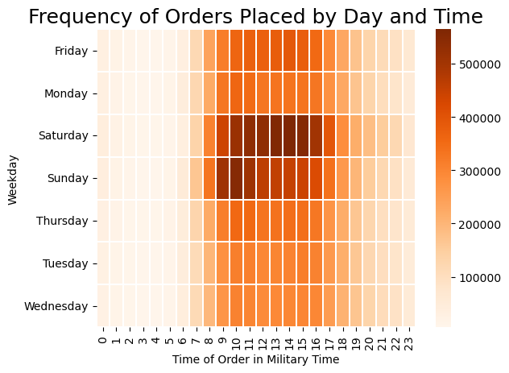

 |  |  | The busiest order days/times are Saturday from 10-4 and Sunday from 9-11.

They also want to know whether there are particular times of the day when people spend the most money, as this might inform the type of products they advertise at these times.
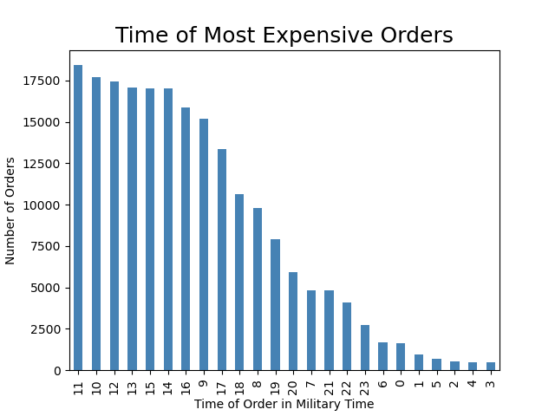

 |  |  | Customers placed their most expensive orders between 9 am and 4 pm.

Instacart has a lot of products with different price tags. Marketing and sales want to use simpler price range groupings to help direct their efforts.

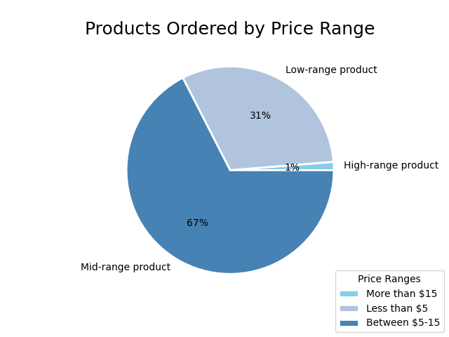
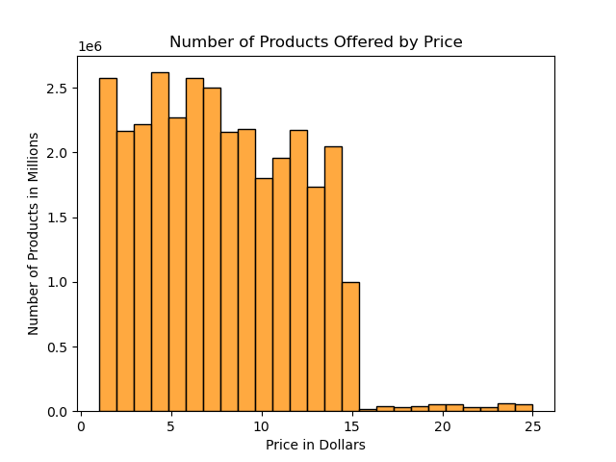

 |  | The majority of products cost between $5-15. Products that cost more than $15 make up only 1% of all products.
 |  | This is likely partially due to the lack of offerings in the high range of products.

Are there certain types of products that are more popular than others? The marketing and sales teams want to know which departments have the highest frequency of product orders.

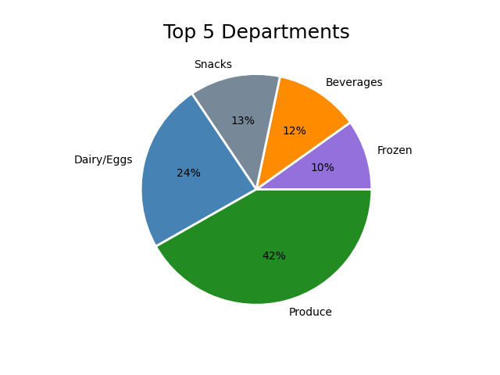
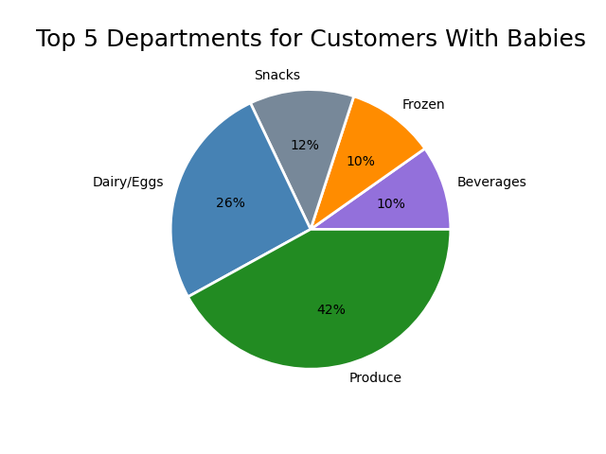

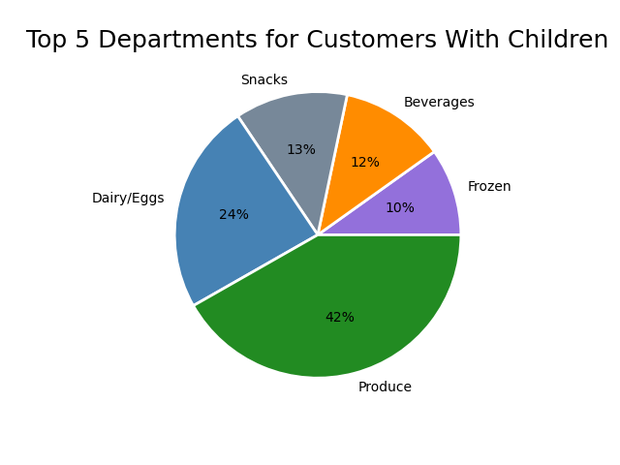
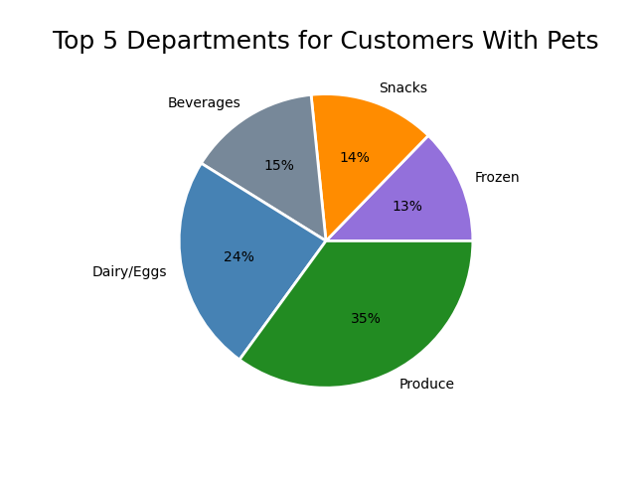

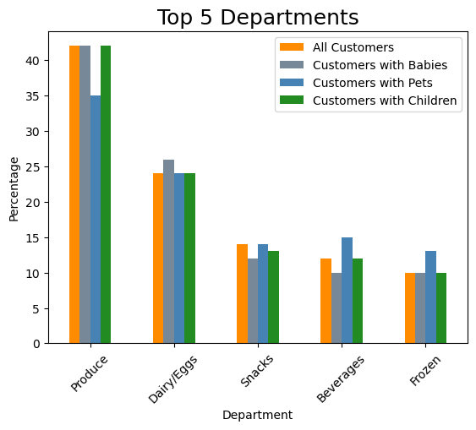
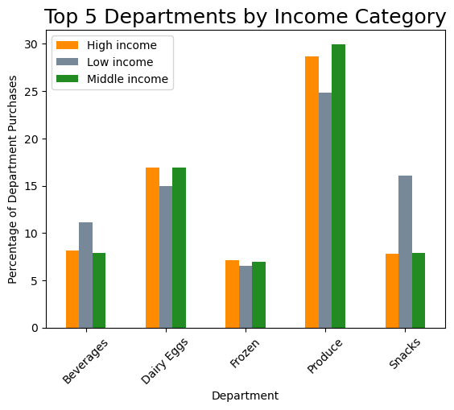

 |  |  |  |  |  |  | Customers are considered low income if they report making
 |  |  |  |  |  |  | less than $52,200 annually. Customers are considered middle
 |  |  |  |  |  |  | income if they report making between $52,200 and $156,600
 |  |  |  |  |  |  | annually. Customers are considered high income if they report
 |  |  |  |  |  |  | making more than $156,600 annually.
 |  |  |  |  |  |  | *Income categories were determined according to classifi-
 |  |  |  |  |  |  | cations identified by the Pew Research Center.

 |  |  |  |  |  |  | Low income customers buy more snacks and beverages,
 |  |  |  |  |  |  | but fewer products from the produce department
 |  |  |  |  |  |  | than the other customers.

The top 5 most popular departments are the same across these varying populations. Customers with pets order less produce than
the other customers, but order more beverages and frozen items. Customers with babies order slightly more products from the dairy/eggs department.

The marketing and sales teams are particularly interested in the different types of customers in their system and how their ordering behaviors differ.

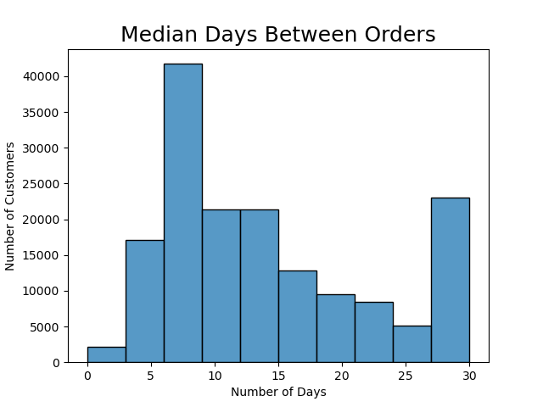

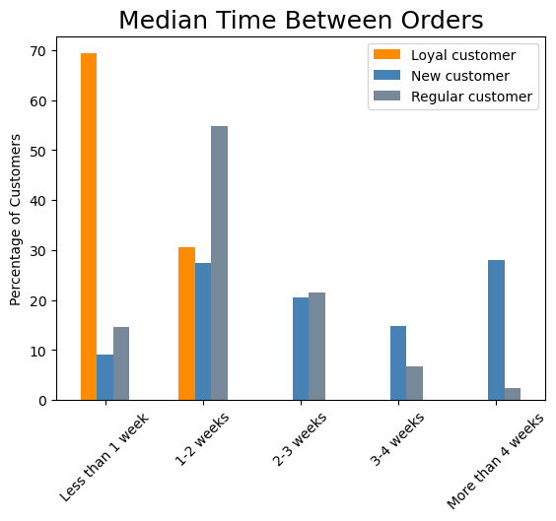

 |  | All loyal customers (have placed more than 40 orders) have a maximum of 2 weeks between orders.
 |  | Regular customers (have placed between 11 and 40 orders) primarily place their orders between one and two weeks apart.
 |  | New customers (have placed between 5 and 10 orders) do not generally order as frequently as other customers, with the largest
 |  | percentage of them ordering more than 4 weeks apart.

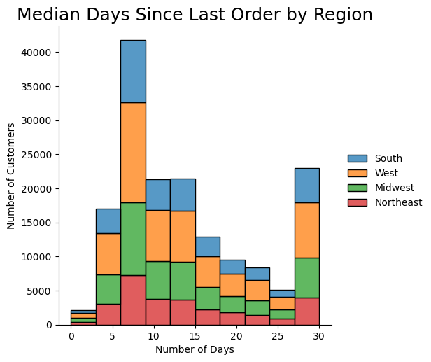

 |  |  |  |  | There is not much, if any, significant variation in order
 |  |  |  |  | frequency amongst the different geographic regions.

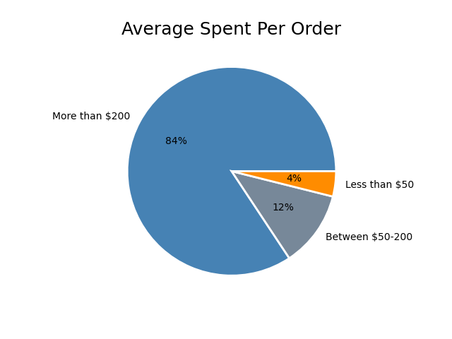
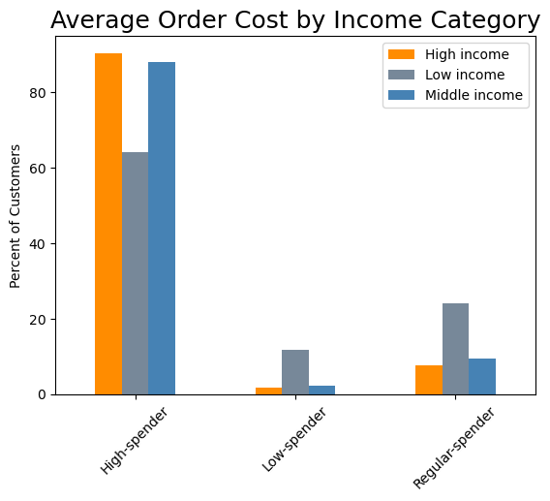

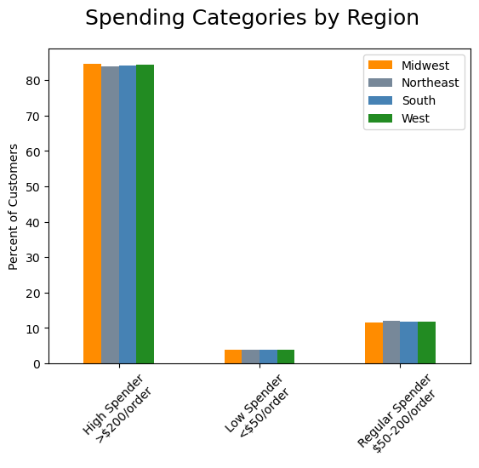

 |  |  |  | The majority of customers across all income categories spend an average of $200 or more per order.
 |  |  |  | Low income customers make up the majority of both the low and regular spending categories.

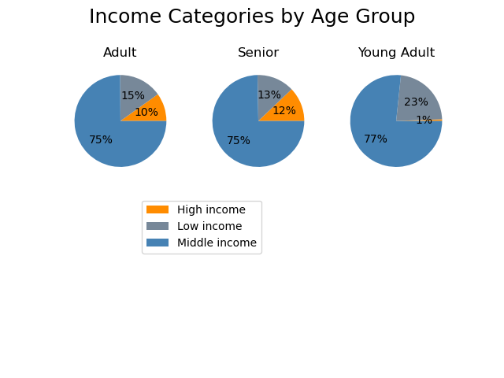

Young adults are customers aged 18-34. Adults are customers aged 35-64. Seniors are customers aged 65+.

 | There is not a significant difference in the
 | average spent per order across regions.

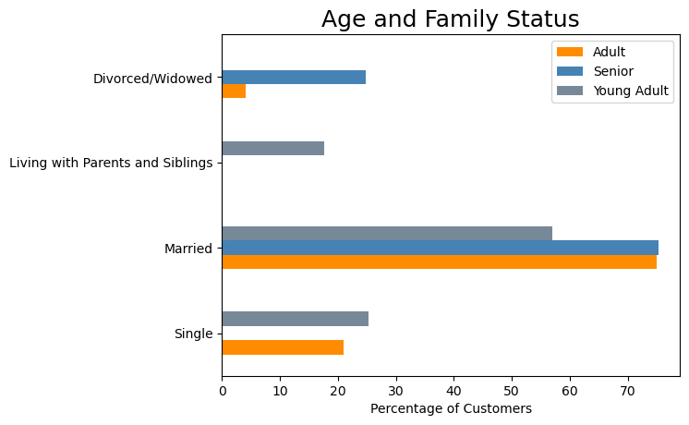

 |  |  |  |  |  | The majority of Instacart customers aross all age groups are married,
 |  |  |  |  |  | however there are no single seniors even though approximately
 |  |  |  |  |  | 25% of them are divorced or widowed. Only customers aged
 |  |  |  |  |  | 18-34 live with their parents and siblings.

 |  |  |  |  | Return to Title Page

7. Recommendations
Recommendations

Key Question 1:
The sales team needs to know what the busiest days of the week and hours of the day are (i.e., the days and times with the most orders) in order to schedule ads at times when there are fewer orders.

 |  |  |  |  |  | The busiest order days and times are Saturday from 10 am to 4 pm and Sunday from 9-11 am.
 |  |  |  |  |  | The slowest times are between 10 pm and 8 am throughout the week.
 |  |  |  |  |  | It is recommended that a discount code be offered to customers that place their orders
 |  |  |  |  |  | before 8 am for same day deliveries.

Key Question 2:
They also want to know whether there are particular times of the day when people spend the most money, as this might inform the type of products they advertise at these times.

 |  |  |  |  | Customers place their most expensive orders between 9 am and 4 pm.

Key Question 3:
Instacart has a lot of products with different price tags. Marketing and sales want to use simpler price range groupings to help direct their efforts.

 | Products have been placed into 3 categories: low, mid and high-range.
 | Products that cost more than $15 only make up 1% of all products
 | ordered, which may in part be due to the lack of product offerings
 | in that price range.

Key Question 4:
Are there certain types of products that are more popular than others? The marketing and sales teams want to know which departments have the highest frequency of product orders.

 |  |  |  |  |  |  |  | Department | Percentage of Orders
 |  |  |  |  |  |  |  | produce | 29.25%
 |  |  |  |  |  |  |  | dairy eggs | 16.66%
 |  |  |  |  |  |  |  | snacks | 8.91%
 |  |  |  |  |  |  |  | beverages | 8.30%
 |  |  |  |  |  |  |  | frozen | 6.90%
 |  |  |  |  |  |  |  | pantry | 5.79%
 |  |  |  |  |  |  |  | bakery | 3.62%
 |  |  |  |  |  |  |  | canned goods | 3.30%
 |  |  |  |  |  |  |  | deli | 3.24%
 |  |  |  |  |  |  |  | dry goods pasta | 2.67%
 |  |  |  |  |  |  |  | household | 2.28%
 |  |  |  |  |  |  |  | meat seafood | 2.19%
 |  |  |  |  |  |  |  | breakfast | 2.17%
 |  |  |  |  |  |  |  | personal care | 1.38%
 |  |  |  |  |  |  |  | babies | 1.31%
 |  |  |  |  |  |  |  | international | 0.83%
 |  |  |  |  |  |  |  | alcohol | 0.47%
 |  |  |  |  |  |  |  | pets | 0.30%
 |  |  |  |  |  |  |  | other | 0.11%
 |  |  |  |  |  |  |  | bulk | 0.11%

 | The most frequently ordered from departments are: produce, dairy/eggs, snacks,
 | beverages and frozen. Produce receives almost twice as many orders than any other department.
 | Pets, other, and bulk are the least frequently ordered from departments.
 | The recommendation is that coupons for a discount or a reward for ordering from the less popular
 | departments a certain number of times should be offered.

Key Questions 5-7:
The marketing and sales teams are particularly interested in the different types of customers in their system and how their ordering behaviors differ.
What different classifications does the demographic information suggest? Age? Income? Types of goods? Family status?
What differences can you find in ordering habits of different customer profiles?

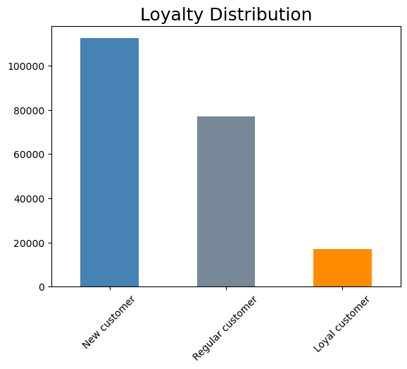

 |  | All loyal customers place orders within 2 weeks of their previous order.
 |  | This is great, however loyal customers make up less than 10% of all
 |  | customers. Focus should be placed on both increasing other customers'
 |  | order frequency and growing the loyal customer base.

 |  |  |  | The top 5 most popular departments are the same across
 |  |  |  | all analyzed populations.

 |  |  |  | Focus should therefore be placed on the lower performing
 |  |  |  | departments. Providing recipes based on products from
 |  |  |  | the top 5 departments would encourage purchasing from
 |  |  |  | the less popular departments.

 |  |  |  |  |  |  | spending_flag_ords | divorced/widowed | living with parents and siblings | married | single
 |  |  |  |  |  |  | High-spender | 82.94% | 82.92% | 82.93% | 82.65%
 |  |  |  |  |  |  | Low-spender | 4.75% | 4.69% | 4.63% | 4.80%
 |  |  |  |  |  |  | Regular-spender | 12.31% | 12.39% | 12.43% | 12.56%

 |  |  |  |  |  |  | The majority of customers across all profiles analyzed spend an average of $200 or more per order.

 |  |  |  |  |  |  | While low income customers make up the majority of both the low and regular spending categories,
 |  |  |  |  |  |  | more than 60% of them still averaged over $200 per order.

 |  |  |  |  |  |  | Due to the above mentioned observations, there will be no recommendations offered regarding
 |  |  |  |  |  |  | targeting specific demographics in order to encourage higher order totals.

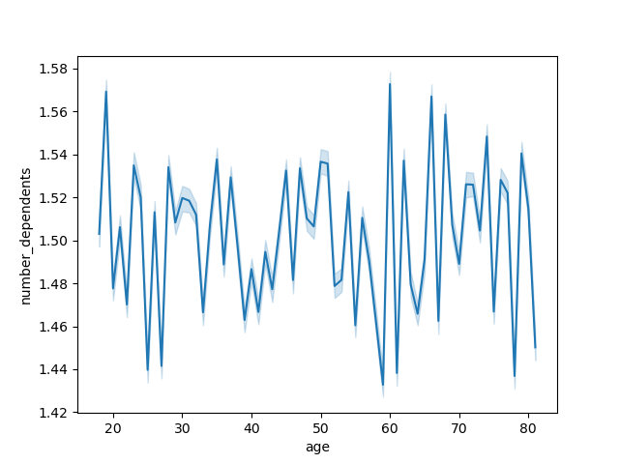

 |  |  | There is not a correlation between age and family status that provides any meaningful insights.

 |  |  |  |  |  |  | Return to Title Page

